Prog
2023 LFP CALCULATOR |  | NDSU Extension |  |  |  | ver. 23.10.09
Updated by: Ron Haugen, Department of Agribusiness and Applied Economics
Developed by: Andrew Swenson, Department of Agribusiness and Applied Economics

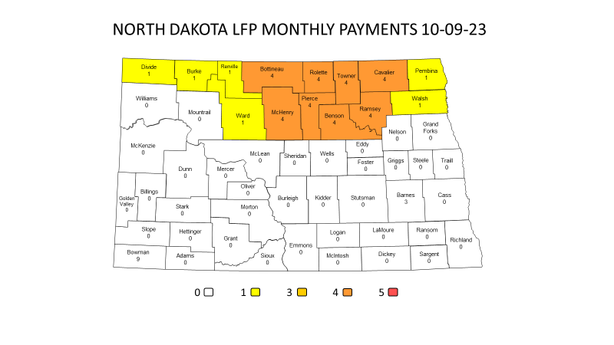
The Livestock Forage Disaster Program (LFP) provides assistance to producers for grazing losses caused by drought. Eligibility
rules include, but are not limited to: producers must own, lease, or be a contract grower of covered livestock during the 60 days prior
to the qualifying drought and they must provide owned or leased grazing land for the livestock in a county affected by drought. This
tool provides an estimate of LFP payments under a generalized situation. It does not consider scenarios where there is grazing in
multiple counties, annual forage crops planted specifically for grazing, grazing of federal managed lands impacted by fire, or grazing
of multiple pasture types by the same covered livestock. States included are North Dakota, South Dakota and Montana
Contact your local FSA office for complete details and calculations.
Refer to the LFP fact sheet at: |  | www.fsa.usda.gov/programs-and-services/disaster-assistance-program/livestock-forage/index

 | Identification
 | Operator | Jane Rancher
 | State | North Dakota |  | <--required
 | County eligible | Divide ND |  | <--required

 | Livestock Current Year Inventory (Inventory during the 60 days prior to date of qualifying drought)
 |  |  |  |  | One Mo. | Total
 |  |  | Number | Share | Pmt Rate | Monthly
 | Livestock Type & Weight Range |  | of Head | (%) | per Hd | Feed Cost
 | Beef, Beefalo, | Adult | 100 | 100% | 58.12 | 5,812.00
 | Buffalo, Bison | Non-Adult 500 lb or more | 50 | 100% | 43.59 | 2,179.50
 | Dairy | Adult |  | 100% | 151.12 | 0.00
 |  | Non-Adult 500 lb or more |  | 100% | 43.59 | 0.00
 | All Sheep, Goats & Deer |  |  | 100% | 14.53 | 0.00
 | All Equine |  |  | 100% | 43.01 | 0.00
 | All Elk |  |  | 100% | 31.39 | 0.00
 | All Reindeer |  |  | 100% | 12.80 | 0.00
 | All Alpacas |  |  | 100% | 47.88 | 0.00
 | All Emus |  |  | 100% | 29.75 | 0.00
 | All Llamas |  |  | 100% | 21.21 | 0.00
 | All Ostrich |  |  | 100% | 31.97 | 0.00
 | A) Total monthly feed cost, with payment rate, for all livestock |  |  |  |  | 7,991.50
 | Unweaned livestock are not considered a grazing animal and are ineligible for LFP
 | Forage Information - Owned or Cash Leased Land in Divide ND County
 | Note: This Table Is Not Valid For All Forage Types
 |  |  | Acres per | Maximum | Monthly | Mo. Feed
 |  |  | Animal | AU | Value of | Cost at
 | Pasture Type | Acres | Unit (AU) | Capacity | Forage | Capacity
 | Native | 100 | 9.0 | 11.11 | 58.12 | 645.71
 | Improved* | 200 | 5.0 | 40.00 | 58.12 | 2,324.80
 | B) Total monthly feed cost at maximum carrying capacity |  |  |  |  | 2,970.51
 | *Improved pastureland with permanent vegetative cover.

 | LFP Payment Estimate
 | Lesser of A) and B) |  |  |  |  | 2,970.51
 | National Payment Factor |  |  |  |  | 60%
 | Payment (based on one mo. cost of feed or value of carrying capacity) |  |  |  |  | 1,782.31
 | No. of monthly payments based on drought monitor |  |  |  |  | 1
 | Payment before sequestration |  |  |  |  | 1,782.31
 | Estimated percent reduction for sequestration |  |  |  |  | 5.7%
 | Estimated LFP payment* |  |  |  |  | 1,680.72
 | *Note: this estimate does not apply to scenarios underlined in the above introduction.
 | Actual payment may vary due to operators' grazing practices.

 | - NDSU and its entities makes no warranties, either expressed or implied, concerning this program -

