EE
ELECTRICAL ENGINEERING ~ NORTH DAKOTA STATE UNIVERSITY
Curriculum Guide ~ FALL 2020

 |  | Student: |  |  |  |  | Student ID#: |  |  |  |  | Advisor:

 | Fall |  |  |  |  |  | Spring
 | Course |  |  | Crs | Grade | Gen Ed | Course |  |  | Crs | Grade | Gen Ed
Freshman (<27 crs) | CHEM | 121 | General Chemistry I | 3 |  | S | ECE | 111 | Intro to ECE | 3
 | MATH | 165 | Calculus I | 4 |  | R | ENGL | 120 | College Composition II | 3 |  | C
 | ECE | 173 | Intro to Computing | 4 |  |  | PHYS | 251 | University Physics I | 4 |  | S
 | ENGL | 110 | College Composition | 4 |  | C | MATH | 166 | Calculus II | 4
 | WELLNESS |  | See Wellness Option | 2 |  | W | GEN ED |  |  | 3 |  | A/B/D/G
 | Science Lab |  | CHEM 121L, PHYS 251L or PHYS 252L | 1 |  | L |  |  |  |  |  |  | Extra Courses | Crs | Grade | D/G
Sophomore (27-59 crs) |  |  |  | 18 |  |  |  |  |  | 17
 | EE | 206 | Circuit Analysis I/Lab | 4 |  |  | COMM | 110 | Fund Public Speaking | 3 |  | C
 | MATH | 265 | Calculus III (w/ vectors) | 4 |  |  | ECE | 311 | Circuit Analysis II/Lab | 4
 | PHYS | 252 | University Physics II | 4 |  | S | MATH | 266 | Intro Differential Equations | 3
 | MATH | 129 | Basic Linear Algebra | 3 |  |  | ECE | 275 | Digital Design/Lab | 4
 | GEN ED |  |  | 3 |  | A/B/D/G | TECH ELECTIVE |  |  | 3
Junior (60 - 89 crs) |  |  |  | 18 |  |  |  |  |  | 17
 | ECE | 320 | Electronics I/Lab | 3 |  |  | ECE | 341 | Random Processes | 3
 | ECE | 321 | Electronic II/Lab | 2 |  |  | ECE | 401 | Design I (capstone) | 1
 | ECE | 376 | Embedded Systems Lab | 4 |  |  | ECE | 331 | Energy Conversion/Lab | 4
 | ECE | 351 | Applied EM/Lab | 4 |  |  | ECE | 343 | Signals and Systems | 4
 | ENGL* |  | ENGL 320, 321, 324 or 459 | 3 |  | C | GEN ED |  |  | 3 |  | A/B/D/G
Senior (90 + crs) |  |  |  | 16 |  |  |  |  |  | 15
 | ECE | 403 | Design II (capstone) | 2 |  |  | ECE | 405 | Design III (capstone) | 3
 | ENGR | 402 | Engr Ethics/Social Resp | 1 |  |  | ECE ELECTIVE |  |  | 3 |  |  |  | 0
 | GEN ED |  |  | 3 |  | A/B/D/G | ECE ELECTIVE |  |  | 3 |  |  | Required Credits to Graduate | 128
 | ECE ELECTIVE |  |  | 3 |  |  | TECH ELECTIVE |  |  | 3 |  |  | Total Credits Earned | 0
 | TECH ELECTIVE |  |  | 3 |  |  | TECH ELECTIVE |  |  | 3 |  |  | GPA |  |  |  | 0
 |  |  |  | 12 |  |  |  |  |  | 15
General Education Key:
A - Humanities/Fine Arts (6 credits) L - Co-Requisite Lab (1 credit)
B - Social/Behavioral Sciences (6 credits) R - Quantitiative Reasoning (3 or 4 credits)
C - Communication (3 credits) S - Science & Technology (3 credits)
D - Cultural Diversity (3 credits) W- Wellness (2 credits)
G - Global Perspectives (3 credits)
•Please Note: Global Perspective and Cultural Diversity credits may be double counted with GenEd Electives.
•For Gen Ed requirements, the dept. suggests taking ENGR 312 (satisfies Global Perspectives) and ENGR 311.
•GenEd classes suggested to take ECON 105, ECON 201, or ECON 202
•*Upper level English Requirement: ENGL 320, 321, 324, 459
ECE Requirements
Students must earn a "C" or better in ECE 173, ECE 275, EE 206 and ALL required MATH courses, before enrolling in ECE courses listed above in the Junior & Senior years
Students must have at least a 2.0 GPA in all required EE and ECE courses taken at NDSU, in order to graduate. Elective ECE courses are not included in this GPA requirement
Students must take ECE 111 prior to enrolling in ECE courses listed above in the Junior and Senior year; otherwise students must take an additional ECE Elective in lieu of ECE 111

ECE Electives: any didatic ECE 4xx course (excluding x93, 494, 496)
Tech Electives: ECE 374, any didactic ECE 4xx course, ECE x93 or 494 (max 6 credits total between x93 and 494), ECE 496 (max 3 credits or any course from the accompanying Tech Elective List
MATH Minor: May be acheived by taking 6 credits to include MATH 270 and all 300-400 level MATH courses except MATH 327 and MATH 376
PHYS Minor: PHYS 252L, PHYS 350, plus 7 credits 300-400 level PHYS or PHYS 171, PHYS 251L, PHYS 251R, PHYS 252R, or PHYS 215. ME 221 and 222 may be substituted for PHYS 251 and PHYS 251L
Key:
"T" indicates requirement satisfied with transfer course
"S XX" indicates Spring and XX year student is taking course
"F XX" indicates Fall and XX year student is taking course
"Su XX" indicates Summer and XX year student is taking course
[C] Students with an ACT sub-test score of >=18 or SAT of >= 430 may enroll in ENGL 120. Earning a grade of "C" or better will result in credit for ENGL 110

EE Flowchart
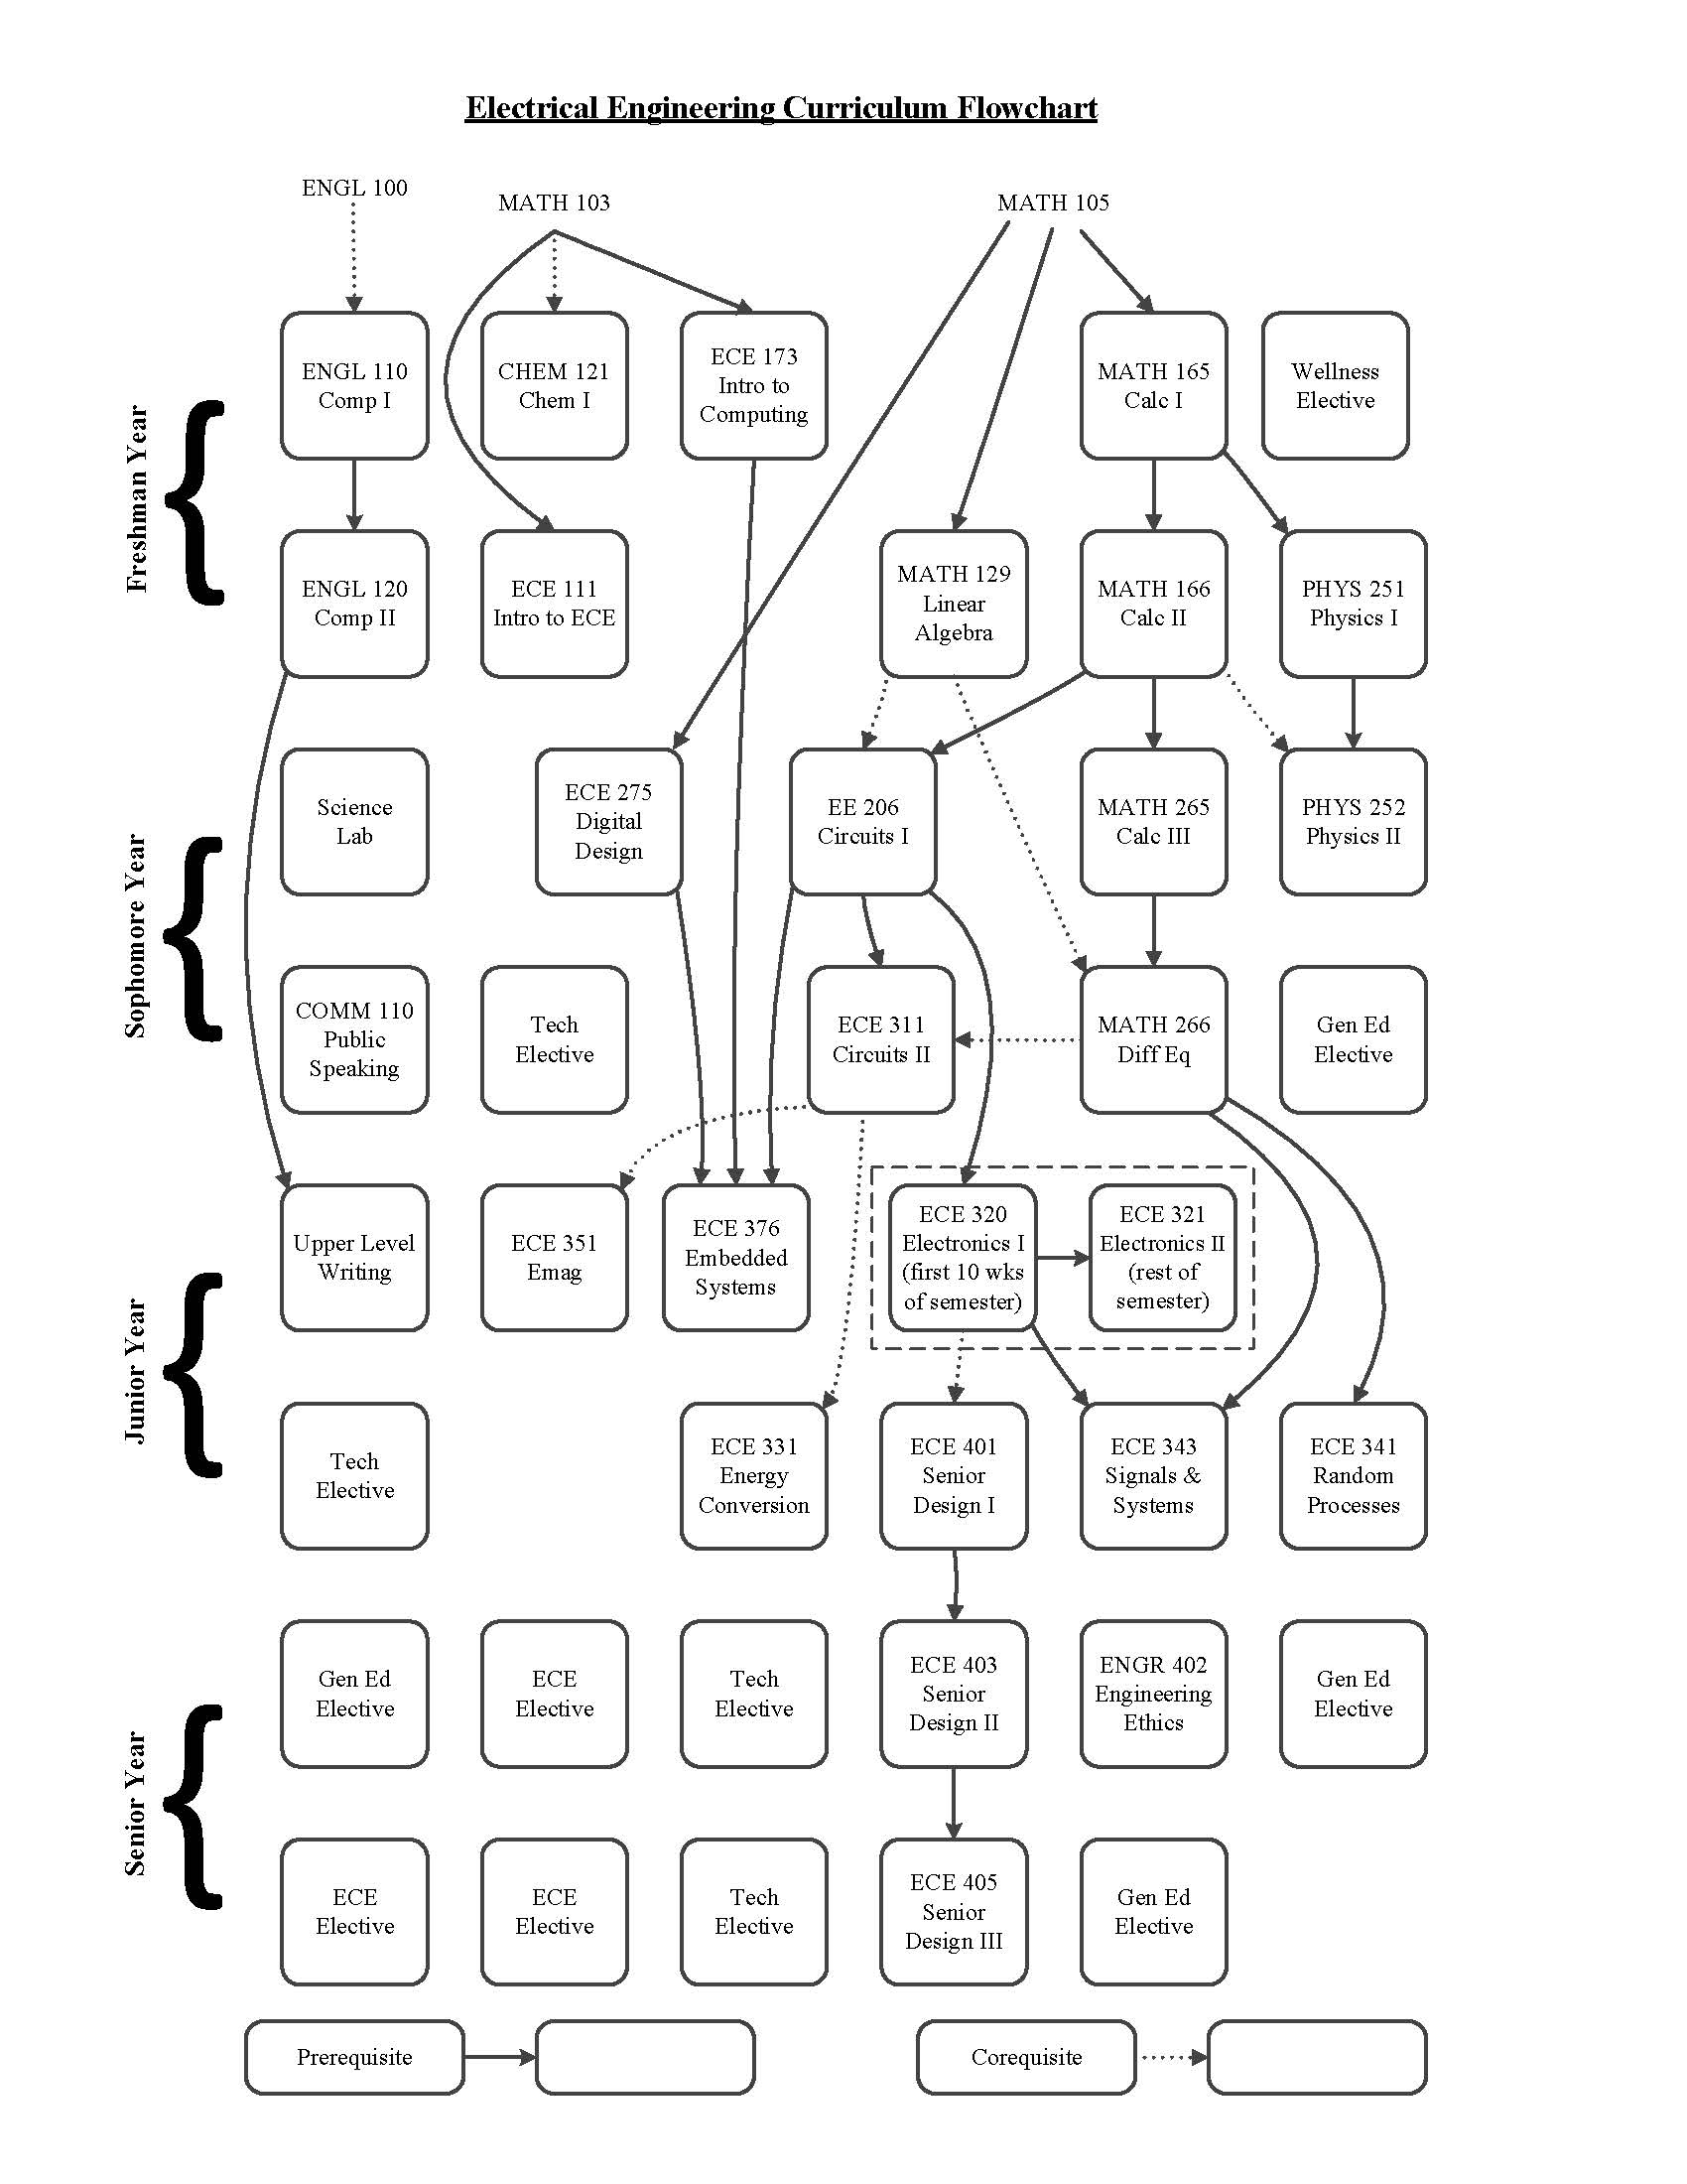

EE Tech Electives
